Sheet1
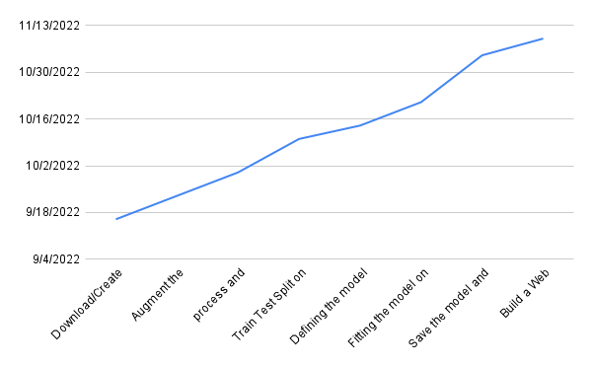
Date | Activity
16-9-2022 | Project start
16-09-2022 | Download/Create dataset
23-09-2022 | Augment the dataset
30-09-2022 | process and loading the data
2022-07-10 | Train Test Split on the dataset
14-10-2022 | Defining the model creation function
21-10-2022 | Fitting the model on train data and checking for accuracies using test data
2022-04-11 | Save the model and its dependencies
2022-09-11 | Build a Web application using flask that integrates with the model built.

